６年Unit1（英日）
What's your name? | Do you like natto? | What color do you like? | What animation do you like? | What character do you like? | Do you like Giant?
名前は？ | 納豆は好き？ | 好きな色は？ | 好きなアニメは？ | 好きなキャラクターは？ | ジャイアンは好き？
I'm ○○. | Yes, I do. No, I don't. | I like ○○. | I like ○○. | I like ○○. | Yes, I do. No, I don't.
Let's enjoy dice talking!
What do you want to be? |  |  |  |  | When is your birthday?
将来何になりたい？ |  |  |  |  | 誕生日はいつ？
6th grade
I want to be a ○○. |  |  |  |  | My birthday is ○○.
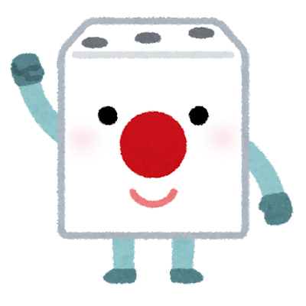
Who is your hero? |  |  |  |  | What do you want?
あこがれの人は？ |  |  |  |  | 何がほしい？
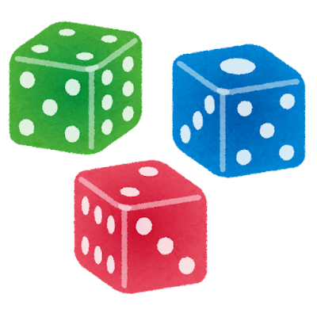
My hero is ○○. |  |  |  |  | I want ○○.
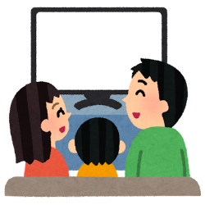
Do you watch Conan? |  |  |  |  | Do you want a 4D pocket?
コナンは見てる？ |  |  |  |  | 四次元ポケットはほしい？
Yes, I do. No, I don't. |  |  |  |  | Yes, I do. No, I don't.
What sport do you like? |  |  |  |  | What animal do you like?
好きなスポーツは？ |  |  |  |  | 好きな動物は？
I like ○○. |  |  |  |  | I like ○○.
What are you good at? | Can you play the piano? | What subject do you like? | Do you like goya? | What fruit do you like? | Do you have a pet?
何が得意？ | ピアノはひける？ | 好きな教科は？ | ゴーヤは好き？ | 好きな果物は？ | ペットは飼ってる？
I'm good at ○○. | Yes, I can. No, I can't. | I like ○○. | Yes, I do. No, I don't. | I like ○○. | Yes, I do. No, I don't.

６年Unit1（英）
What's your name? | Do you like natto? | What color do you like? | What animation do you like? | What character do you like? | Do you like Giant?

Let's enjoy dice talking!
I'm ○○. | Yes, I do. No, I don't. | I like ○○. | I like ○○. | I like ○○. | Yes, I do. No, I don't.
What do you want to be? |  |  |  |  | When is your birthday?

6th grade
I want to be a ○○. |  |  |  |  | My birthday is ○○.
Who is your hero? |  |  |  |  | What do you want?

My hero is ○○. |  |  |  |  | I want ○○.
Do you watch Conan? |  |  |  |  | Do you want a 4D pocket?

Yes, I do. No, I don't. |  |  |  |  | Yes, I do. No, I don't.
What sport do you like? |  |  |  |  | What animal do you like?

I like ○○. |  |  |  |  | I like ○○.
What are you good at? | Can you play the piano? | What subject do you like? | Do you like goya? | What fruit do you like? | Do you have a pet?

I'm good at ○○. | Yes, I can. No, I can't. | I like ○○. | Yes, I do. No, I don't. | I like ○○. | Yes, I do. No, I don't.

６年Unit4（英日）
Where did you go? | Did you go to the river? | What did you eat? | Did you eat shaved ice? | Did you eat somen? | What did you see?
どこへ行ったの？ | 川に行った？ | 何を食べた？ | かき氷は食べた？ | そうめんは食べた？ | 何を見た？
I went to ○○. | Yes, I did. No, I didn't. | I ate ○○. | Yes, I did. No, I didn't. | Yes, I did. No, I didn't. | I saw ○○.
Let's enjoy dice talking!
Did you go to Kuzuha Mall? |  |  |  |  | Did you see a ghost?
くずはモールに行った？ |  |  |  |  | お化けは見た？
6th grade
Yes, I did. No, I didn't. |  |  |  |  | Yes, I did. No, I didn't.
Did you go to Hirakata Park? |  |  |  |  | Did you see fireworks?
ひらぱーに行った？ |  |  |  |  | 花火は見た？
Yes, I did. No, I didn't. |  |  |  |  | Yes, I did. No, I didn't.
Did you watch Conan? |  |  |  |  | What did you enjoy?
コナンは見た？ |  |  |  |  | 何を楽しんだ？
Yes, I did. No, I didn't. |  |  |  |  | I enjoyed ○○.
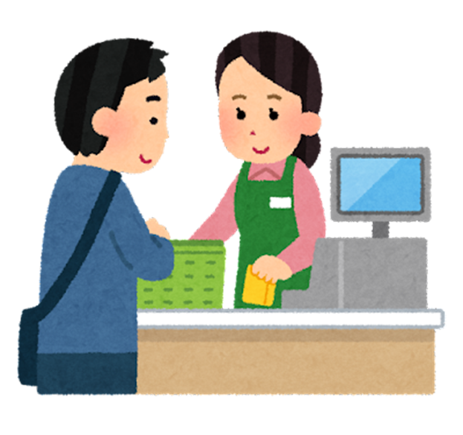
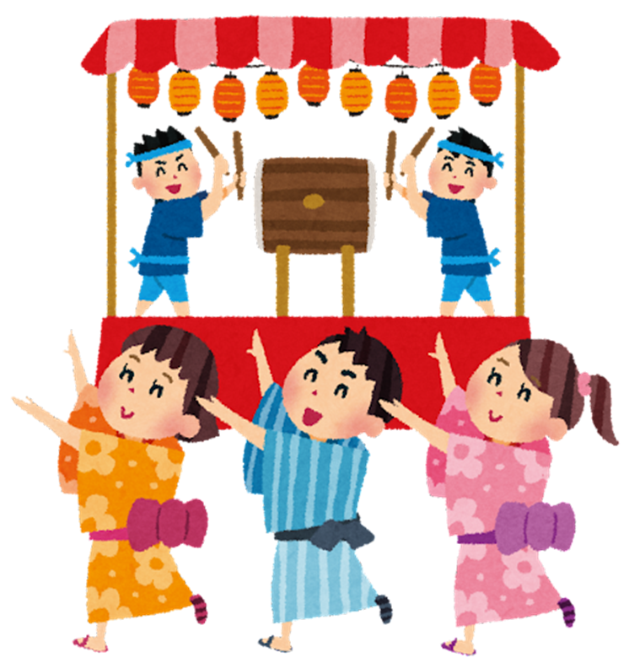
Did you drink cola? |  |  |  |  | Did you enjoy summer festival?
コーラは飲んだ？ |  |  |  |  | 夏祭りは楽しんだ？
Yes, I did. No, I didn't. |  |  |  |  | Yes, I did. No, I didn't.
What did you drink? | Did you buy a new game? | What did you buy? | Did you enjoy fishing? | Did you enjoy camping? | Did you enjoy shopping?
何を飲んだ？ | 新しいゲームは買った？ | 何を買った？ | つりは楽しんだ？ | キャンプは楽しんだ？ | 買い物は楽しんだ？
I drank ○○. | Yes, I did. No, I didn't. | I bought ○○. | Yes, I did. No, I didn't. | Yes, I did. No, I didn't. | Yes, I did. No, I didn't.

６年Unit4（英）
Where did you go? | Did you go to the river? | What did you eat? | Did you eat shaved ice? | Did you eat somen? | What did you see?

Let's enjoy dice talking!
I went to ○○. | Yes, I did. No, I didn't. | I ate ○○. | Yes, I did. No, I didn't. | Yes, I did. No, I didn't. | I saw ○○.
Did you go to Kuzuha Mall? |  |  |  |  | Did you see a ghost?

6th grade
Yes, I did. No, I didn't. |  |  |  |  | Yes, I did. No, I didn't.
Did you go to Hirakata Park? |  |  |  |  | Did you see fireworks?

Yes, I did. No, I didn't. |  |  |  |  | Yes, I did. No, I didn't.
Did you watch Conan? |  |  |  |  | What did you enjoy?

Yes, I did. No, I didn't. |  |  |  |  | I enjoyed ○○.
Did you drink cola? |  |  |  |  | Did you enjoy summer festival?

Yes, I did. No, I didn't. |  |  |  |  | Yes, I did. No, I didn't.
What did you drink? | Did you buy a new game? | What did you buy? | Did you enjoy fishing? | Did you enjoy camping? | Did you enjoy shopping?

I drank ○○. | Yes, I did. No, I didn't. | I bought ○○. | Yes, I did. No, I didn't. | Yes, I did. No, I didn't. | Yes, I did. No, I didn't.

６年冬休み（英日）
Where did you go? | Did you go to the shrine? | What did you eat? | Did you eat osechi? | Did you eat cake? | What did you see?
どこへ行ったの？ | 神社に行った？ | 何を食べた？ | おせちは食べた？ | ケーキは食べた？ | 何を見た？
I went to ○○. | Yes, I did. No, I didn't. | I ate ○○. | Yes, I did. No, I didn't. | Yes, I did. No, I didn't. | I saw ○○.
Let's enjoy dice talking!
Did you get Christmas presents? |  |  |  |  | Did you see a ghost?
クリスマスプレゼントはもらった？ |  |  |  |  | お化けは見た？
6th grade
Yes, I did. No, I didn't. |  |  |  |  | Yes, I did. No, I didn't.
What did you get? |  |  |  |  | Did you see illuminations?
何をもらったの？ |  |  |  |  | イルミネーションは見た？
I got ○○. |  |  |  |  | Yes, I did. No, I didn't.
Did you watch a movie? |  |  |  |  | What did you enjoy?
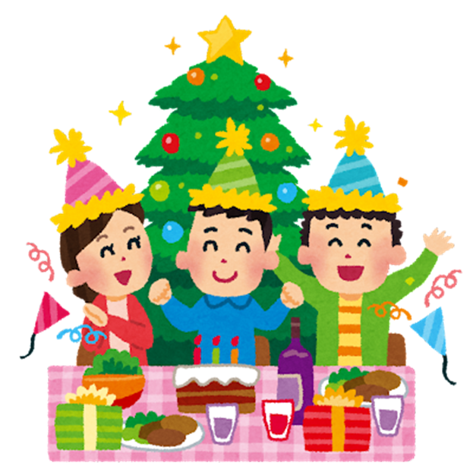
映画は見た？ |  |  |  |  | 何を楽しんだ？
Yes, I did. No, I didn't. |  |  |  |  | I enjoyed ○○.
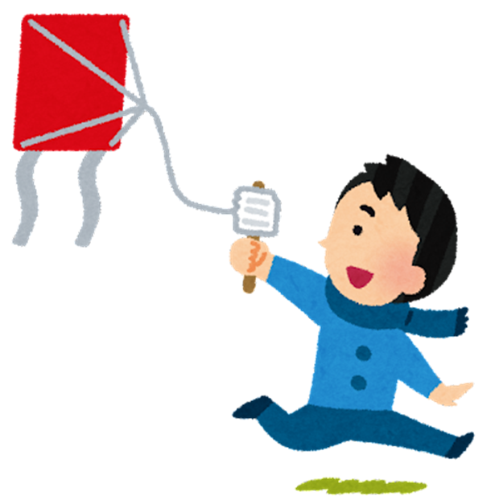
３・２・１！
Did you drink cola? |  |  |  |  | Did you enjoy Christmas?
コーラは飲んだ？ |  |  |  |  | クリスマスは楽しんだ？
Yes, I did. No, I didn't. |  |  |  |  | Yes, I did. No, I didn't.
What did you drink? | Did you buy a new game? | What did you buy? | Did you enjoy kite flying? | Did you enjoy countdown? | Did you enjoy shopping?
何を飲んだ？ | 新しいゲームは買った？ | 何を買った？ | たこあげは楽しんだ？ | カウントダウンは楽しんだ？ | 買い物は楽しんだ？
I drank ○○. | Yes, I did. No, I didn't. | I bought ○○. | Yes, I did. No, I didn't. | Yes, I did. No, I didn't. | Yes, I did. No, I didn't.

６年冬休み（英）
Where did you go? | Did you go to the shrine? | What did you eat? | Did you eat osechi? | Did you eat cake? | What did you see?

Let's enjoy dice talking!
I went to ○○. | Yes, I did. No, I didn't. | I ate ○○. | Yes, I did. No, I didn't. | Yes, I did. No, I didn't. | I saw ○○.
Did you get Christmas presents? |  |  |  |  | Did you see a ghost?

6th grade
Yes, I did. No, I didn't. |  |  |  |  | Yes, I did. No, I didn't.
What did you get? |  |  |  |  | Did you see illuminations?

I got ○○. |  |  |  |  | Yes, I did. No, I didn't.
Did you watch a movie? |  |  |  |  | What did you enjoy?

３・２・１！
Yes, I did. No, I didn't. |  |  |  |  | I enjoyed ○○.
Did you drink cola? |  |  |  |  | Did you enjoy Christmas?

Yes, I did. No, I didn't. |  |  |  |  | Yes, I did. No, I didn't.
What did you drink? | Did you buy a new game? | What did you buy? | Did you enjoy kite flying? | Did you enjoy countdown? | Did you enjoy shopping?

I drank ○○. | Yes, I did. No, I didn't. | I bought ○○. | Yes, I did. No, I didn't. | Yes, I did. No, I didn't. | Yes, I did. No, I didn't.

