お金
10
10
10
10
10
10
10
10
10
10
10
10
10 yen | 10 yen | 10 yen | 10 yen
10 yen | 10 yen | 10 yen | 10 yen
10 yen | 10 yen | 10 yen | 10 yen
10
10
10
10
10 yen | 10 yen | 10 yen | 10 yen
10
10
10
10
10 yen | 10 yen | 10 yen | 10 yen

みかん
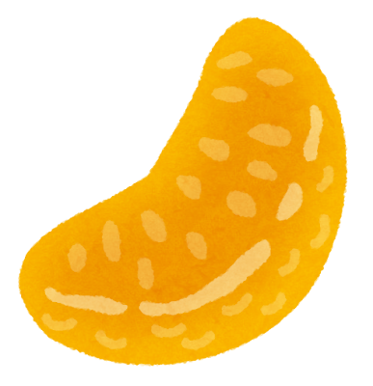 10 yen | 10 yen | 10 yen | 10 yen
10 yen | 10 yen | 10 yen | 10 yen
10 yen | 10 yen | 10 yen | 10 yen
10 yen | 10 yen | 10 yen | 10 yen
10 yen | 10 yen | 10 yen | 10 yen

いちご
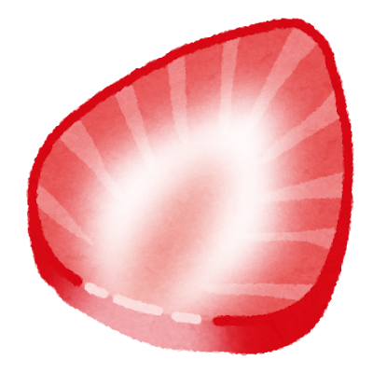 20 yen | 20 yen | 20 yen | 20 yen
20 yen | 20 yen | 20 yen | 20 yen
20 yen | 20 yen | 20 yen | 20 yen
20 yen | 20 yen | 20 yen | 20 yen
20 yen | 20 yen | 20 yen | 20 yen

キウイ
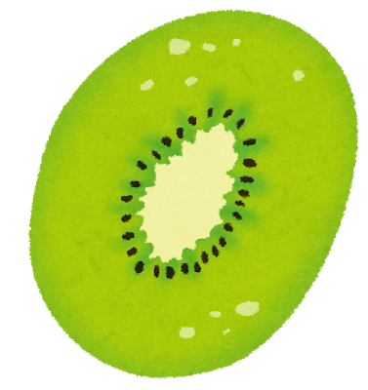 20 yen | 20 yen | 20 yen | 20 yen
20 yen | 20 yen | 20 yen | 20 yen
20 yen | 20 yen | 20 yen | 20 yen
20 yen | 20 yen | 20 yen | 20 yen
20 yen | 20 yen | 20 yen | 20 yen

メロン
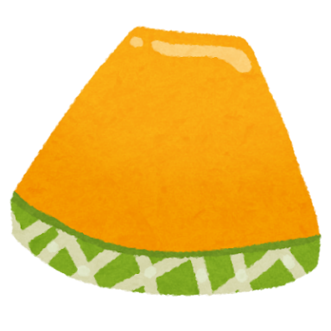 30 yen | 30 yen | 30 yen | 30 yen
30 yen | 30 yen | 30 yen | 30 yen
30 yen | 30 yen | 30 yen | 30 yen
30 yen | 30 yen | 30 yen | 30 yen
30 yen | 30 yen | 30 yen | 30 yen

パイナップル
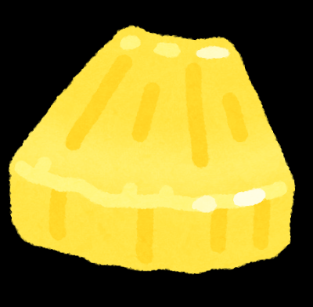 10 yen | 10 yen | 10 yen | 10 yen
10 yen | 10 yen | 10 yen | 10 yen
10 yen | 10 yen | 10 yen | 10 yen
10 yen | 10 yen | 10 yen | 10 yen
10 yen | 10 yen | 10 yen | 10 yen

ブドウ
 20 yen | 20 yen | 20 yen | 20 yen
20 yen | 20 yen | 20 yen | 20 yen
20 yen | 20 yen | 20 yen | 20 yen
20 yen | 20 yen | 20 yen | 20 yen
20 yen | 20 yen | 20 yen | 20 yen

マスカット
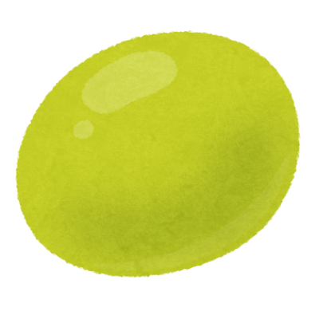 30 yen | 30 yen | 30 yen | 30 yen
30 yen | 30 yen | 30 yen | 30 yen
30 yen | 30 yen | 30 yen | 30 yen
30 yen | 30 yen | 30 yen | 30 yen
30 yen | 30 yen | 30 yen | 30 yen

ケーキ
Merry Christmas!

